Table 1
Quails' Gate Estate Vineyards
Variety
4-2 |  |  |  |  |  |  |  |  |  |  |  |  |  |  |  |  |  |  |  |  |  |  |  |  |  | 4-1 |  |  |  | QG Estate Vineyards c:J Cabernet Sauvignon c:J Chardonnay -
6-1 6-2 4-3 4-4 4-Sa 4-Sb 4-8 4-7 4-6 |  |  |  |  |  |  |  |  |  |  |  |  |  |  |  |  |  |  |  |  |  |  |  | 3-2 |  | 3-1 \ CJ |  |  |  |  | Chasselas c:J Chenin blanc Gewurztraminer Marechal Foch Merlot Optima - Pinot blanc | 0 - 100 m
5-1 5-3 5-5 |  |  |  |  |  | 3-6 |  |  |  |  |  | 3-5 |  | 3-4b |  | 3-4a |  |  | ,:J |  |  |  |  | 1-2 |  |  |  | 1-lb |  |  | Riesling Projection: UTM Zone ll(N) Datum: NAD 1983 Sauvignon blanc Updated : 04/2013 Syrah
5-2 5-4 5-6 ne{1e <pouc -Sc -Sa 0 5-7 10 1-7b |  |  |  |  |  |  |  |  |  |  |  |  |  |  |  |  |  |  |  |  |  |  |  | 1-lc 1-2b 1-ld |  |  |  |  |  | Block Varietal Clone Rootstalk Year Acres Block Varietal Clone Rootstalk Year Acres
1-la Merlot 181 504/5 1994 0.17
3-8 Pinot noir UCD-1 self 1975 0.57
I 1-7a 1-Sf Mis· 1-6b Stan Hi// Rd 5-8 2-3a |  |  |  |  |  |  |  |  |  |  |  |  |  |  |  |  |  | 1-Se 1-Sd |  |  |  | 1-4 |  |  | 1-3 |  |  |  | 1-lb Cabernet 5auvignon 191 504/5 1994 0.07 4-1 Chardonnay 95 504 2008 2.35
1-lc | Merlot |  | 181 |  | 504/5 |  |  |  | 1997 | 0.21 |  |  | 4-10 |  | Pinot noir |  |  |  |  | 93R |  | 504 |  |  | 1990 |  | 1.72
1-ld | Merlot |  | 347 |  | 504/5 |  |  |  | 1997 | 0.28 |  |  | 4-11 |  | Pinot noir |  |  |  |  | 115 |  | 504/5 |  |  | 2003 |  | 1.57
1-2 | Chardonnay |  | 548 |  | 504/102 |  |  |  | 1996 | 0.42 |  |  | 4-2 |  | Pinot noir |  |  |  |  | 667 |  | 3309/144 |  |  | 2005 |  | 0.9
1-2b | Chardonnay |  | 37/95 |  | 101-14 |  |  |  | 2013 | 0.33 |  |  | 4-3 |  | Pinot noir |  |  |  |  | 93R |  | 504 |  |  | 1990 |  | 2.68
1-3 | Optima |  | 7114 |  | 504 |  |  |  | 1982 | 4.43 |  |  | 4-4 |  | Marechal Foch |  |  |  |  | NY |  | self |  |  | 1965 |  | 0.83
1-4 | Riesling |  | 21B |  | 504 |  |  |  | 1982 | 5.07 |  |  | 4-5 |  | Cabernet Sauvignon 191 |  |  |  |  |  |  | 504/5 |  |  | 2004 |  | 2.36
1-5 | Pinot blanc |  | 55 |  | 3309/144 |  |  |  | 1997 | 3.55 |  |  | 4-6 |  | Cabernet 5auvignon 191 |  |  |  |  |  |  | 504/102 |  |  | 1997 |  | 1.17
2-6 |  |  |  |  |  |  |  | 2-3b |  |  |  |  |  |  |  |  |  |  |  |  |  |  |  |  |  |  |  |  |  | 1-6 1-7
5auvignon blanc |  | 530 |  | 3309/144 |  |  | 1997 |  | 1.49 |  | 4-7 Pinot noir |  |  |  |  |  | 115 |  |  |  | 504/5 |  | 2005 |  | 0.53
Chasselas |  | UCD |  | self |  |  | 1975 |  | 4.32 |  | 4-8 Pinot noir |  |  |  |  |  | 155 |  |  |  | 3309/144 |  | 2005 |  | 1.25
5yrah |  | 877C |  | 3309 |  |  | 2010 |  | 2.69 |  | 4-9 Pinot noir |  |  |  |  |  | 777 |  |  |  | 3309/144 |  | 2005 |  | 1.63
Merlot |  | 181 |  | 504/5 |  |  | 1998 |  | 2.79 |  | 5-1 Chardonnay |  |  |  |  |  | 76 |  |  |  | 504/102 |  | 1997 |  | 1.8
Chasselas |  | UCD |  | self |  |  | 1975 |  | 1.92 |  | 5-10 Pinot noir |  |  |  |  |  | 777 |  |  |  | 3309/144 |  | 2005 |  | 0.13
Chardonnay |  | UCD |  | self |  |  | 1987 |  | 1.4 |  | 5-2 Chardonnay |  |  |  |  |  | 96 |  |  |  | 504/102 |  | 1997 |  | 1.92
Chardonnay |  | UCD |  | mixed |  |  | 1993 |  | 0.72 |  | 5-3 Chardonnay |  |  |  |  |  | 277 |  |  |  | 504/102 |  | 1997 |  | 1.43
Chenin blanc |  | 220 |  | 504/5 |  |  | 1997 |  | 4.04 |  | 5-4 Chardonnay |  |  |  |  |  | 809 |  |  |  | 504/102 |  | 1997 |  | 1.03
Merlot |  | 347 |  | 3309/347 |  |  | 1998 |  | 2.7 |  | 5-5 Pinot noir |  |  |  |  |  | 115 |  |  |  | 504/762 |  | 1997 |  | 1.01
Merlot |  | 346 |  | 3309 |  |  | 1998 |  | 0.85 |  | 5-6 Pinot noir |  |  |  |  |  | 777 |  |  |  | 504/102 |  | 1997 |  | 1.5
5-9 2-1 2-2b 2-2a 2-4 2-5 2-7 |  |  |  |  |  |  |  |  |  |  |  |  |  |  |  |  |  |  |  |  |  |  |  |  |  |  |  |  |  | 2-1 2-2 2-3 2-4 2-5 2-6 2-7 2-9 Merlot 346 504/762 2008 0.78 5-7 Cabernet 5auvignon 191 504/102 1997 0.95
2-8
3-1 | Pinot noir |  | 777 |  | 3309/144 |  |  |  | 2005 | 1.79 |  |  | 5-8 Gewurztraminer |  |  |  |  |  |  | UCD |  | self |  |  | 1994 |  | 0.53
3-2 | Marechal Foch |  | NY |  | self |  |  |  | 1965 | 1.1 |  |  | 5-9 Gewurztraminer |  |  |  |  |  |  | UCD |  | self |  |  | 1989 |  | 1.37
3-3 | Pinot noir |  | 667 |  | 3309/144 |  |  |  | 1996 | 2.47 |  |  | 6-1 Merlot |  |  |  |  |  |  | 181 |  | 3309/143 |  |  | 2003 |  | 2.39
3-4 | Chardonnay |  | 95 |  | 504/102 |  |  |  | 1996 | 2.39 |  |  | 6-2 Merlot |  |  |  |  |  |  | 181 |  | 504/5 |  |  | 2003 |  | 2.53
3-5 | Pinot noir |  | 91R |  | 504 |  |  |  | 1990 | 0.92
3-6 | Pinot noir |  | UCD-2 |  | 504 |  |  |  | 1987 | 0.55
3-7 | Pinot noir |  | 93R |  | SC |  |  |  | 1987 | 0.96
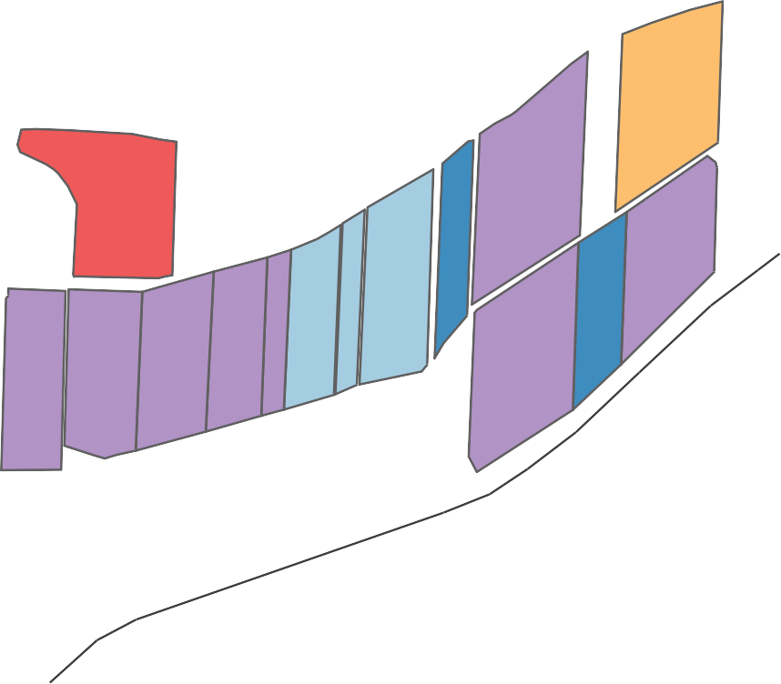
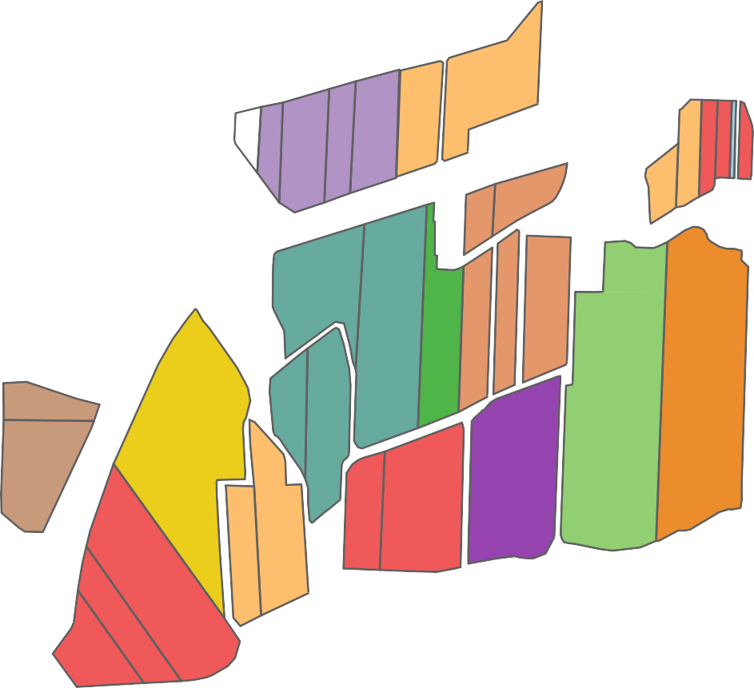
2-8 2-9

